Foglio1
 |  |  |  |  |  |  |  |  |  |  |  |  |  |  |  |  | 15,435 | 113.88 € | 1,757,721.00 €
Image | Image | Image | StyleCode | Item Number | Description | Color | GENDER | 48 | 50 | 52 | 54 | 56 | Country of Origin | Fabric Composition | PZ | BOX | QTY | WHOLSALE PRICE | TOT WHS
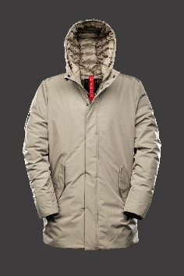 |  | 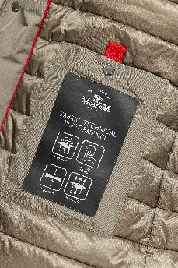 | MS23BIUJA72PL665C171 | PL665 | AUSTEN | C171 WOOD | MAN | 9 | 18 | 18 | 9 | 9 | PRC | 100%Polyester | 63 | 3 | 63 | 139.00 € | 8,757.00 €
 |  |  | MS23BIUJA72PL665C561 | PL665 | AUSTEN | C561 OLIVE BRANCH | MAN | 6 | 12 | 12 | 6 | 6 | PRC | 100%Polyester | 42 | 2 | 42 | 139.00 € | 5,838.00 €

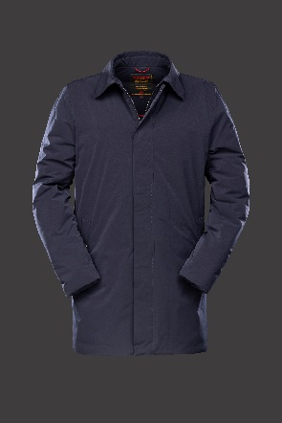 |  | 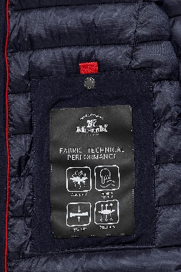 | MS23BIUJA23PL662C002 | PL662 | CHESTER | C002 BLACK | MAN | 120 | 240 | 240 | 120 | 120 | PRC | 100%Polyester | 840 | 40 | 840 | 124.00 € | 104,160.00 €
 |  |  | MS23BIUJA23PL662C060 | PL662 | CHESTER | C060 BLUE NAVY | MAN | 120 | 240 | 240 | 120 | 120 | PRC | 100%Polyester | 840 | 40 | 840 | 124.00 € | 104,160.00 €
 |  |  | MS23BIUJA23PL662C271 | PL662 | CHESTER | C171 WOOD | MAN | 108 | 216 | 216 | 108 | 108 | PRC | 100%Polyester | 756 | 36 | 756 | 124.00 € | 93,744.00 €
 |  |  | MS23BIUJA23PL662C561 | PL662 | CHESTER | C561 OLIVE BRANCH | MAN | 111 | 222 | 222 | 111 | 111 | PRC | 100%Polyester | 777 | 37 | 777 | 124.00 € | 96,348.00 €

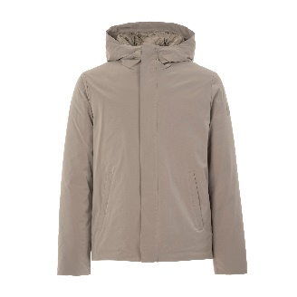 |  |  | MS23BIUJA72PL855C002 | PL855 | FOSTER | C002 BLACK | MAN | 12 | 24 | 24 | 12 | 12 | PRC | 100%Polyester | 84 | 4 | 84 | 114.00 € | 9,576.00 €
 |  |  | MS23BIUJA72PL855C060 | PL855 | FOSTER | C060 BLUE NAVY | MAN | 27 | 54 | 54 | 27 | 27 | PRC | 100%Polyester | 189 | 9 | 189 | 114.00 € | 21,546.00 €
 |  |  | MS23BIUJA72PL855C171 | PL855 | FOSTER | C171 WOOD | MAN | 27 | 54 | 54 | 27 | 27 | PRC | 100%Polyester | 189 | 9 | 189 | 114.00 € | 21,546.00 €
 |  |  | MS23BIUJA72PL855C561 | PL855 | FOSTER | C561 OLIVE BRANCH | MAN | 33 | 66 | 66 | 33 | 33 | PRC | 100%Polyester | 231 | 11 | 231 | 114.00 € | 26,334.00 €

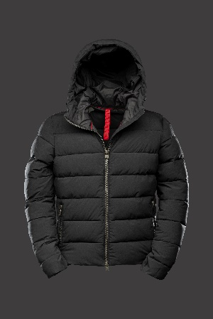
 |  | 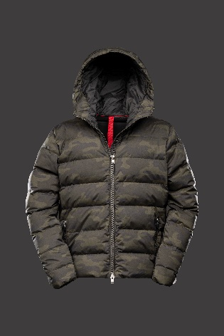 | MS23BIUJA05PL966C060 | PL966 | JUSTIN | C171 WOOD | MAN | 171 | 342 | 342 | 171 | 171 | PRC | 100%Polyester | 1197 | 57 | 1,197 | 98.00 € | 117,306.00 €
 |  |  | MS23BIUJA05PL966C302 | PL966 | JUSTIN | C302 CAMOUFLAGE | MAN | 201 | 402 | 402 | 201 | 201 | PRC | 100%Polyester | 1407 | 67 | 1,407 | 105.00 € | 147,735.00 €
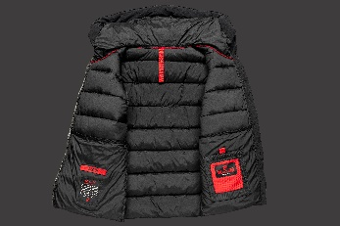 |  |  | MS23BIUJA05PL966C428 | PL966 | JUSTIN | C428 BLUE NAVY | MAN | 42 | 84 | 84 | 42 | 42 | PRC | 100%Polyester | 294 | 14 | 294 | 98.00 € | 28,812.00 €
 |  |  | MS23BIUJA05PL966C561 | PL966 | JUSTIN | C561 OLIVE BRANCH | MAN | 123 | 246 | 246 | 123 | 123 | PRC | 100%Polyester | 861 | 41 | 861 | 98.00 € | 84,378.00 €

BOX UOMO 21 PEZZI | 3/48 - 6/50 - 6/52 - 3/54 - 3/56 |  |  |  |  |  |  |  |  |  |  |  |  |  | 7770 | 370

Image | Image | Image | StyleCode | Item Number | Description | Color | GENDER | 40 | 42 | 44 | 46 | 48 | Country of Origin | Fabric Composition | PZ | BOX
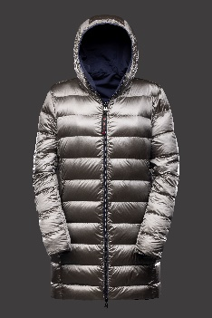 | 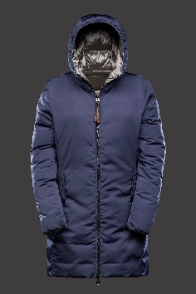 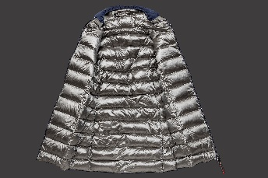 |  | MS23BIDJA10NY890C002 | NY890 | DAISY - REVERSIBLE | C002 BLACK | WOMAN | 90 | 180 | 180 | 90 | 90 | PRC | 100% nylon | 630 | 30 | 630 | 144.00 € | 90,720.00 €
 |  |  | MS23BIDJA10NY890C060 | NY890 | DAISY - REVERSIBLE | C060 BLUE NAVY | WOMAN | 30 | 60 | 60 | 30 | 30 | PRC | 100% nylon | 210 | 10 | 210 | 144.00 € | 30,240.00 €

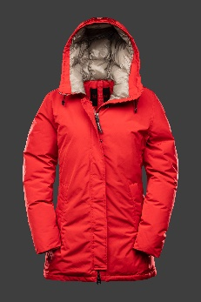 |  |  | MS23BIDJA19NY882C002 | NY882 | EMMA | C002 BLACK | WOMAN | 57 | 114 | 114 | 57 | 57 | PRC | 67%Cotton 33%Nylon | 399 | 19 | 399 | 189.00 € | 75,411.00 €
 |  |  | MS23BIDJA19NY882C038 | NY882 | EMMA | C038 FIRE RED | WOMAN | 57 | 114 | 114 | 57 | 57 | PRC | 67%Cotton 33%Nylon | 399 | 19 | 399 | 189.00 € | 75,411.00 €
 |  |  | MS23BIDJA19NY882C533 | NY882 | EMMA | C533 EGGNOG | WOMAN | 57 | 114 | 114 | 57 | 57 | PRC | 67%Cotton 33%Nylon | 399 | 19 | 399 | 189.00 € | 75,411.00 €

 |  |  | MS23BIDJA38PL986C002 | PL986 | ARLETTE | C002 BLACK | WOMAN | 255 | 510 | 510 | 255 | 255 | PRC | 100% nylon | 1785 | 85 | 1,785 | 96.00 € | 171,360.00 €
 |  |  | MS23BIDJA38PL986C060 | PL986 | ARLETTE | C060 BLUE NAVY | WOMAN | 150 | 300 | 300 | 150 | 150 | PRC | 100% nylon | 1050 | 50 | 1,050 | 96.00 € | 100,800.00 €
 |  |  | MS23BIDJA38PL986C071 | PL986 | ARLETTE | C071 SILVER | WOMAN | 399 | 798 | 798 | 399 | 399 | PRC | 100% nylon | 2793 | 133 | 2,793 | 96.00 € | 268,128.00 €

BOX DONNA 21 PEZZI | 3/40 - 6/42 - 6/44 - 3/46 -3/48
 |  |  |  |  |  |  |  |  |  |  |  |  |  |  | 7665 | 365

